MPS
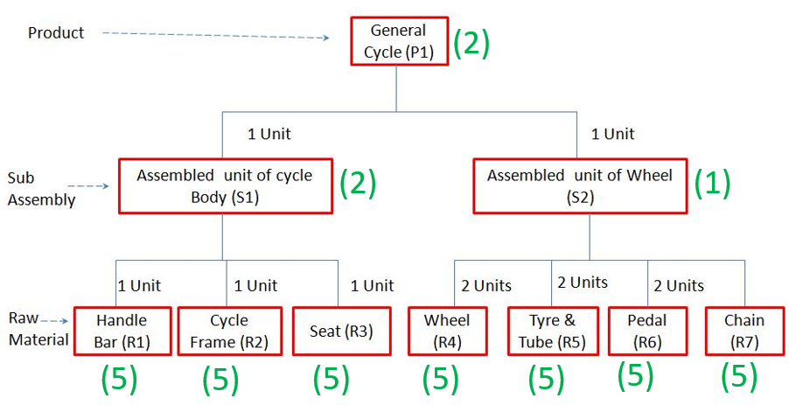
MPS
Day |  | 25 | 26 | 27 | 28 | 29 | 30 | 1 | 2 | 3 | 4 | 5 | 6 | 7 | 8 | 9 | 10 | 11 | 12 | 13 | 14 | 15 | 16 | 17 | 18 | 19 | 20 | 21 | 22 | 23 | 24 | 25 | 26 | 27 | 28 | 29 | 30
General |  |  |  |  |  |  |  |  |  |  |  |  |  | 100 |  |  | 200
Sports |  |  |  |  |  |  |  |  |  |  |  |  | 200 |  |  | 500

Item | P1
LeadTime | 2
Period |  | 25 | 26 | 27 | 28 | 29 | 30 | 1 | 2 | 3 | 4 | 5 | 6 | 7 | 8 | 9 | 10 | 11 | 12 | 13 | 14 | 15 | 16 | 17 | 18 | 19 | 20 | 21 | 22 | 23 | 24 | 25 | 26 | 27 | 28 | 29 | 30
Gross Requirements
Schedule Receipt
On Hand Quantity | 10
Net Requirements
Planned Order Release

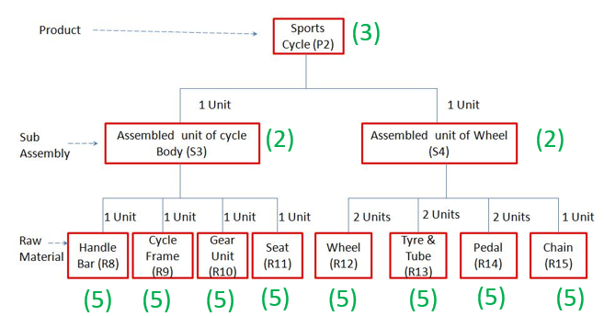
Item | P2
LeadTime | 3
Period |  | 25 | 26 | 27 | 28 | 29 | 30 | 1 | 2 | 3 | 4 | 5 | 6 | 7 | 8 | 9 | 10 | 11 | 12 | 13 | 14 | 15 | 16 | 17 | 18 | 19 | 20 | 21 | 22 | 23 | 24 | 25 | 26 | 27 | 28 | 29 | 30
Gross Requirements
Schedule Receipt
On Hand Quantity | 20
Net Requirements
Planned Order Release

